MA1605
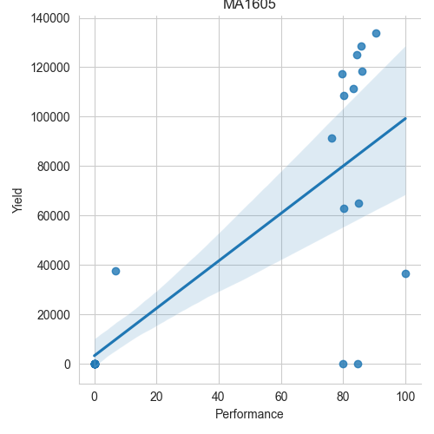
Date | Performance | Yield
2022-02-28 | 0 | 0
2022-03-01 | 76.18 | 91500
2022-03-02 | 83.11 | 111500
2022-03-03 | 79.56 | 117500
2022-03-04 | 80.2 | 63000
2022-03-05 | 0 | 0
2022-03-06 | 0 | 0
2022-03-07 | 0 | 0
2022-03-08 | 0 | 0
2022-03-09 | 84.96 | 65000
2022-03-10 | 80.05 | 108500
2022-03-11 | 84.58 | 0
2022-03-13 | 0 | 0
2022-03-14 | 6.89 | 37500
2022-03-15 | 85.66 | 128500
2022-03-16 | 84.49 | 125000
2022-03-17 | 90.42 | 134000
2022-03-18 | 86.13 | 118500
2022-03-19 | 79.92 | 0
2022-03-20 | 0 | 0
2022-03-21 | 0 | 0
2022-03-22 | 0 | 0
2022-03-23 | 0 | 0
2022-03-24 | 100 | 36500

MA2605
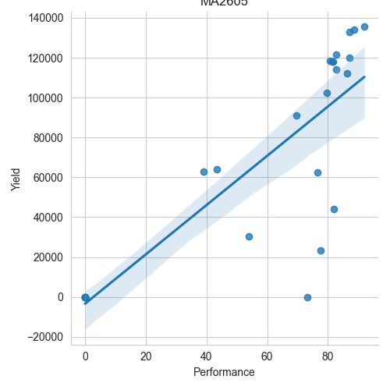
Date | Performance | Yield
2022-02-28 | 54.05 | 30500
2022-03-01 | 79.7 | 102500
2022-03-02 | 82.66 | 114000
2022-03-03 | 81.62 | 118000
2022-03-04 | 69.61 | 91000
2022-03-05 | 73.25 | 0
2022-03-06 | 0 | 0
2022-03-07 | 76.62 | 62500
2022-03-08 | 86.42 | 112000
2022-03-09 | 81.5 | 118000
2022-03-10 | 80.76 | 118500
2022-03-11 | 82.64 | 121500
2022-03-13 | 0 | 0
2022-03-14 | 43.41 | 64000
2022-03-15 | 87.07 | 133000
2022-03-16 | 92.02 | 135500
2022-03-17 | 88.65 | 134000
2022-03-18 | 87.14 | 120000
2022-03-19 | 81.88 | 44000
2022-03-20 | 0 | 0
2022-03-21 | 77.52 | 23500
2022-03-22 | 0 | 0
2022-03-23 | 0 | 0
2022-03-24 | 38.99 | 63000

